Single Family Characteristics
2022 Residential Prototype Models |  |  |  |  | yellow highlight indicates values that were updated from the 2005 DEER documentation |  |  |  |  |  |  |  |  |  |  |  |  | For comparison
Single Family Home Prototype Characteristics |  |  |  |  |  |  |  |  |  |  |  |  |  |  |  |  |  |  |  | Cooling |  | Heating
 |  |  |  |  |  |  |  |  |  |  |  |  |  |  |  |  |  | 2005DEER |  | 2022DEER | 2005DEER | 2022DEER | 2005DEER | Capacity Ratio 2005DEER to 2022DEER
Climate Zone | Vintage | Total Floor Area | Number of Stories | Occupants | Infiltration Air Changes Per Hour | Ceiling Overall R-Value | Wall Overall R-Value | Floor Overall R-Value | Gross Window-Wall Ratio (% floor) | Vertical Fene- stration U-Factor | Vertical Fene- stration SHGC | Cooling Capacity (sqft/ton) | Cooling SEER | Heating Capacity (sqft/kBtu) | Heating AFUE | Duct Leakage Ratio | Duct Insulation | Cooling Capacity (sqft/ton) | Heating Capacity (sqft/kBtu) | Cooling Capacity (tons) | Cooling Capacity (tons) | Heating Capacity (kBtu) | Heating Capacity (kBtu) | Cooling Capacity (ton) | Heating Capacity (kBtu)
1 | 1975 | 2158 | 1.48 | 3 (One-story) 4 (Two story) | 0.350 | 6.71 | 5.18 | 3.65 | 12.04 (One-story) 12.67 (Two-story) | 0.66 | 0.52 | 1692 | 13.0 | 84 | 0.78 | 0.2 | 4.9 | 742 | 39.6 | 1.3 | 2.9 | 25.8 | 54.5 | 2.3 | 2.1
2 | 1975 | 2158 | 1.48 | 3 (One-story) 4 (Two story) | 0.350 | 6.71 | 5.18 | 3.65 | 12.04 (One-story) 12.67 (Two-story) | 0.59 | 0.46 | 732 | 13.0 | 57 | 0.78 | 0.14 | 4.9 | 428 | 22.9 | 2.9 | 5.0 | 38.1 | 94.3 | 1.7 | 2.5
3 | 1975 | 2158 | 1.48 | 3 (One-story) 4 (Two story) | 0.350 | 6.71 | 5.18 | 3.65 | 12.04 (One-story) 12.67 (Two-story) | 0.66 | 0.50 | 728 | 13.0 | 69 | 0.78 | 0.2 | 4.9 | 529 | 28.3 | 3.0 | 4.1 | 31.3 | 76.3 | 1.4 | 2.4
4 | 1975 | 2158 | 1.48 | 3 (One-story) 4 (Two story) | 0.350 | 6.71 | 5.18 | 3.65 | 12.04 (One-story) 12.67 (Two-story) | 0.60 | 0.47 | 722 | 13.0 | 66 | 0.78 | 0.1 | 4.9 | 556 | 29.7 | 3.0 | 3.9 | 32.7 | 72.6 | 1.3 | 2.2
5 | 1975 | 2158 | 1.48 | 3 (One-story) 4 (Two story) | 0.350 | 6.71 | 5.18 | 3.65 | 12.04 (One-story) 12.67 (Two-story) | 0.68 | 0.51 | 688 | 13.0 | 60 | 0.78 | 0.2 | 4.9 | 484 | 25.9 | 3.1 | 4.5 | 36.2 | 83.4 | 1.4 | 2.3
6 | 1975 | 2252 | 1.55 | 3 (One-story) 4 (Two story) | 0.500 | 7.39 | 7.82 | 3.65 | 12.04 (One-story) 12.67 (Two-story) | 0.69 | 0.51 | 854 | 13.0 | 120 | 0.78 | 0.2 | 4.9 | 469 | 25.0 | 2.6 | 4.8 | 18.8 | 89.9 | 1.8 | 4.8
7 | 1975 | 2252 | 1.55 | 3 (One-story) 4 (Two story) | 0.500 | 7.39 | 7.82 | 3.65 | 12.04 (One-story) 12.67 (Two-story) | 0.68 | 0.51 | 758 | 13.0 | 142 | 0.78 | 0.2 | 4.9 | 618 | 33.0 | 3.0 | 3.6 | 15.9 | 68.2 | 1.2 | 4.3
8 | 1975 | 2252 | 1.55 | 3 (One-story) 4 (Two story) | 0.350 | 7.39 | 7.82 | 3.65 | 12.04 (One-story) 12.67 (Two-story) | 0.71 | 0.53 | 700 | 13.0 | 123 | 0.78 | 0.25 | 4.9 | 505 | 27.0 | 3.2 | 4.5 | 18.3 | 83.5 | 1.4 | 4.6
9 | 1975 | 1928 | 1.33 | 3 (One-story) 4 (Two story) | 0.600 | 7.39 | 7.82 | 3.65 | 12.04 (One-story) 12.67 (Two-story) | 0.71 | 0.53 | 446 | 13.0 | 62 | 0.78 | 0.2 | 4.9 | 469 | 25.1 | 4.3 | 4.1 | 31.3 | 76.9 | 0.9 | 2.5
10 | 1985 | 2069 | 1.42 | 3 (One-story) 4 (Two story) | 0.350 | 18.13 | 12.19 | 4.45 | 12.04 (One-story) 12.67 (Two-story) | 0.68 | 0.52 | 1067 | 13.0 | 115 | 0.78 | 0.15 | 4.9 | 477 | 25.5 | 1.9 | 4.3 | 18.0 | 81.2 | 2.2 | 4.5
11 | 1985 | 1788 | 1.23 | 3 (One-story) 4 (Two story) | 0.400 | 19.73 | 11.73 | 4.45 | 12.04 (One-story) 12.67 (Two-story) | 0.61 | 0.49 | 854 | 13.0 | 77 | 0.78 | 0.15 | 4.9 | 463 | 24.7 | 2.1 | 3.9 | 23.2 | 72.3 | 1.8 | 3.1
12 | 1985 | 1788 | 1.23 | 3 (One-story) 4 (Two story) | 0.350 | 19.73 | 11.73 | 4.45 | 12.04 (One-story) 12.67 (Two-story) | 0.61 | 0.47 | 872 | 13.0 | 87 | 0.78 | 0.15 | 4.9 | 496 | 26.5 | 2.1 | 3.6 | 20.5 | 67.5 | 1.8 | 3.3
13 | 1985 | 1788 | 1.23 | 3 (One-story) 4 (Two story) | 0.400 | 19.73 | 11.73 | 4.45 | 12.04 (One-story) 12.67 (Two-story) | 0.74 | 0.56 | 788 | 13.0 | 89 | 0.78 | 0.3 | 4.9 | 483 | 25.8 | 2.3 | 3.7 | 20.1 | 69.2 | 1.6 | 3.4
14 | 1985 | 1628 | 1.12 | 3 (One-story) 4 (Two story) | 0.350 | 18.13 | 14.66 | 4.45 | 12.04 (One-story) 12.67 (Two-story) | 0.69 | 0.54 | 818 | 13.0 | 146 | 0.78 | 0.15 | 4.9 | 448 | 23.9 | 2.0 | 3.6 | 11.1 | 68.0 | 1.8 | 6.1
15 | 1985 | 1628 | 1.12 | 3 (One-story) 4 (Two story) | 0.350 | 18.13 | 14.66 | 4.45 | 12.04 (One-story) 12.67 (Two-story) | 0.65 | 0.49 | 639 | 13.0 | 106 | 0.78 | 0.28 | 4.9 | 409 | 22.8 | 2.5 | 4.0 | 15.4 | 71.3 | 1.6 | 4.6
16 | 1985 | 1904 | 1.31 | 3 (One-story) 4 (Two story) | 0.350 | 24.13 | 15.38 | 4.45 | 12.04 (One-story) 12.67 (Two-story) | 0.64 | 0.50 | 951 | 13.0 | 92 | 0.78 | 0.15 | 4.9 | 728 | 38.9 | 2.0 | 2.6 | 20.8 | 49.0 | 1.3 | 2.4
1 | 2019 | 2158 | 1.48 | 3 (One-story) 4 (Two story) | 0.32 (One story) 0.3 (Two story) | 33.82 | 20.83 | slab on grade | 12.04 (One-story) 12.67 (Two-story) | 0.3 | 0.51 | 6988 | 14 | 314 | 0.8 | 0.05 | 8 |  | Average: | 2.6 | 3.9 | 23.6 | 73.6
EnergyPlus prototypes in 2022DEER had lower heating and cooling capacities than 2005DEER even though we used a 1.8 oversize factor in EnergyPlus models. Data collected through residential QM programs suggests average installed cooling capacity between 3 and 3.5 tons in CA.
2 | 2019 | 2158 | 1.48 | 3 (One-story) 4 (Two story) | 0.32 (One story) 0.3 (Two story) | 33.82 | 20.83 | slab on grade | 12.04 (One-story) 12.67 (Two-story) | 0.3 | 0.23 | 5682 | 14 | 717 | 0.8 | 0.05 | 8
3 | 2019 | 2158 | 1.48 | 3 (One-story) 4 (Two story) | 0.32 (One story) 0.3 (Two story) | 26.70 | 20.83 | slab on grade | 12.04 (One-story) 12.67 (Two-story) | 0.3 | 0.5 | 2892 | 14 | 212 | 0.8 | 0.05 | 6
4 | 2019 | 2158 | 1.48 | 3 (One-story) 4 (Two story) | 0.32 (One story) 0.3 (Two story) | 33.82 | 20.83 | slab on grade | 12.04 (One-story) 12.67 (Two-story) | 0.3 | 0.23 | 3427 | 14 | 224 | 0.8 | 0.05 | 8
5 | 2019 | 2158 | 1.48 | 3 (One-story) 4 (Two story) | 0.32 (One story) 0.3 (Two story) | 26.70 | 20.83 | slab on grade | 12.04 (One-story) 12.67 (Two-story) | 0.3 | 0.51 | 2954 | 14 | 186 | 0.8 | 0.05 | 6
6 | 2019 | 2252 | 1.55 | 3 (One-story) 4 (Two story) | 0.32 (One story) 0.3 (Two story) | 26.70 | 15.38 | slab on grade | 12.04 (One-story) 12.67 (Two-story) | 0.3 | 0.23 | 2876 | 14 | 1155 | 0.8 | 0.05 | 6
7 | 2019 | 2252 | 1.55 | 3 (One-story) 4 (Two story) | 0.32 (One story) 0.3 (Two story) | 26.70 | 15.38 | slab on grade | 12.04 (One-story) 12.67 (Two-story) | 0.3 | 0.23 | 2178 | 14 | 509 | 0.8 | 0.05 | 6
8 | 2019 | 2252 | 1.55 | 3 (One-story) 4 (Two story) | 0.32 (One story) 0.3 (Two story) | 33.82 | 20.83 | slab on grade | 12.04 (One-story) 12.67 (Two-story) | 0.3 | 0.23 | 2228 | 14 | 1304 | 0.8 | 0.05 | 8
9 | 2019 | 1928 | 1.33 | 3 (One-story) 4 (Two story) | 0.32 (One story) 0.3 (Two story) | 33.82 | 20.83 | slab on grade | 12.04 (One-story) 12.67 (Two-story) | 0.3 | 0.23 | 1360 | 14 | 192 | 0.8 | 0.05 | 8
10 | 2019 | 2069 | 1.42 | 3 (One-story) 4 (Two story) | 0.32 (One story) 0.3 (Two story) | 33.82 | 20.83 | slab on grade | 12.04 (One-story) 12.67 (Two-story) | 0.3 | 0.23 | 2232 | 14 | 200 | 0.8 | 0.05 | 8
11 | 2019 | 1788 | 1.23 | 3 (One-story) 4 (Two story) | 0.32 (One story) 0.3 (Two story) | 33.82 | 20.83 | slab on grade | 12.04 (One-story) 12.67 (Two-story) | 0.3 | 0.23 | 1640 | 14 | 129 | 0.8 | 0.05 | 8
12 | 2019 | 1788 | 1.23 | 3 (One-story) 4 (Two story) | 0.32 (One story) 0.3 (Two story) | 33.82 | 20.83 | slab on grade | 12.04 (One-story) 12.67 (Two-story) | 0.3 | 0.23 | 1678 | 14 | 136 | 0.8 | 0.05 | 8
13 | 2019 | 1788 | 1.23 | 3 (One-story) 4 (Two story) | 0.32 (One story) 0.3 (Two story) | 33.82 | 20.83 | slab on grade | 12.04 (One-story) 12.67 (Two-story) | 0.3 | 0.23 | 1541 | 14 | 161 | 0.8 | 0.05 | 8
14 | 2019 | 1628 | 1.12 | 3 (One-story) 4 (Two story) | 0.32 (One story) 0.3 (Two story) | 33.82 | 20.83 | slab on grade | 12.04 (One-story) 12.67 (Two-story) | 0.3 | 0.23 | 1785 | 14 | 1947 | 0.8 | 0.05 | 8
15 | 2019 | 1628 | 1.12 | 3 (One-story) 4 (Two story) | 0.32 (One story) 0.3 (Two story) | 33.82 | 20.83 | slab on grade | 12.04 (One-story) 12.67 (Two-story) | 0.3 | 0.23 | 1116 | 14 | 194 | 0.8 | 0.05 | 8
16 | 2019 | 1904 | 1.31 | 3 (One-story) 4 (Two story) | 0.32 (One story) 0.3 (Two story) | 33.82 | 20.83 | Slab + R-7 slab perimeter | 12.04 (One-story) 12.67 (Two-story) | 0.3 | 0.5 | 1327 | 14 | 162 | 0.8 | 0.05 | 8

External Static Pressure
Residential External Static Pressure based on Proctor Field data |  |  |  |  | https://www.eceee.org/library/conference_proceedings/ACEEE_buildings/2000/Panel_1/p1_19/
Paper presented at ACEEE Summer Study 2000
Residential Buildings: Technologies, Design and Performance Analysis
Table 1 on Proceedings page 227
 | sample size | IWC | ESP in Pa including coil pressure drop
 | 40 | 0.41 | 110
 | 28 | 0.48 | 127.5
 | 9 | 0.55 | 145
 | 40 | 0.53 | 140
 | 37 | 0.5 | 132.5
 | 15 | 0.45 | 120
 | 32 | 0.52 | 137.5
 | 39 | 0.38 | 102.5
Total | 240 |  |  | weighted average
Average |  | 0.4775 | 127 | 125 | Pa
Table 1 external static pressures are for the duct system, registers, and typical filters. The pressure drop given does not include inside coil pressure drop of 0.2 to 0.3 IWC (50 to 75 pascals).

coil static pressure
0.03 | IWC

FanWPerCfm
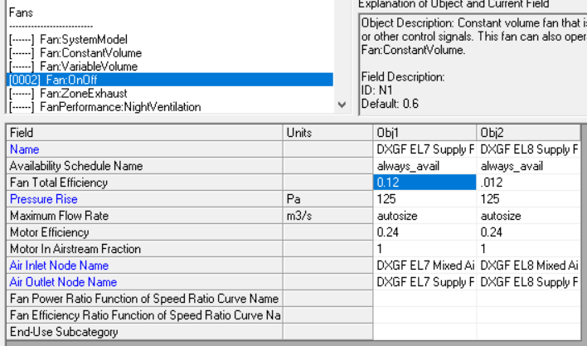
 | These Fan Power Values Apply to Residential HVAC ONLY! (Commercial HVAC fans are more efficient)

 |  | SEER
 | Param1 | Param2 | Lookup | FanW PerCfm | Revised FanW PerCfm |  | Notes |  |  |  |  |  |  |  |  |  |  | Sources:
 | SEER | 9.7 | SEER9.7 | 0.365 | 0.5 | <-- | The previous value (0.365) is consistent with the standard assumption in Proctor's paper
 | SEER | 10 | SEER10 | 0.365 | 0.5
 | SEER | 11.4 | SEER11.4 | 0.365 | 0.5 |  |  |  |  |  |  |  |  |  |  |  |  | https://www.engineeringtoolbox.com/fans-efficiency-power-consumption-d_197.html
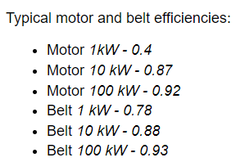
 | SEER | 11.5 | SEER11.5 | 0.365 | 0.5
 | SEER | 11.6 | SEER11.6 | 0.365 | 0.5
 | SEER | 13 | SEER13 | 0.348 | 0.5 |  | Pre Baseline
 | SEER | 14 | SEER14 | 0.294 | 0.5
 | SEER | 15 | SEER15 | 0.251 | 0.5 |  | 2023 Standard Baseline (15 SEER1) = 14.3 SEER2
 | SEER | 16 | SEER16 | 0.271 | 0.233 |  | 2-speed | Likely constant torque motors (CTM)
 | SEER | 17 | SEER17 | 0.271 | 0.233 |  | 2-speed
 | SEER | 18 | SEER18 | 0.271 | 0.233 |  | 2-speed
 | SEER | 19 | SEER19 | 0.233 | 0.233 |  | variable speed ECM
 | SEER | 20 | SEER20 | 0.233 | 0.233 |  | variable speed ECM |  |  | EnergyPlus input values
 | SEER | 21 | SEER21 | 0.233 | 0.233 |  | variable speed ECM |  | old E+ base | ECM | PSC
 |  |  |  |  |  |  |  |  | 0.9 | 0.5 | 0.24 | motor efficiency |  |  |  |  |  |  | Paper confirming measured poor efficiency of HVAC fans
 |  |  |  |  |  |  |  |  | 0.78 | 0.5 | 0.5 | impeller efficiency |  |  |  |  |  |  | https://www.rehva.eu/fileadmin/hvac-dictio/01-2012/02-2012/how-to-improve-energy-efficiency-of-fans.pdf
 |  |  |  |  |  |  |  |  | 0.70 | 0.25 | 0.12 | fan total efficiency

ECM motors were required in furnaces starting July 3, 2019. This does not apply to furnaces integrated with central AC systems and does not apply to heat pumps. |  |  |  |  |  |  |  |  |  |  |  | Fan Efficiency
 |  |  |  |  |  |  |  |  |  | ECM | PSC | eff = dp * q /P |  |  |  |  |  |  | Proctor's Paper:
 |  |  |  |  |  |  |  |  |  | 0.253 | 0.118 | eff |  |  |  |  |  |  | Table from Hidden Power Drains: Residential Heating and Cooling Fan Power Demand
https://www.ecfr.gov/current/title-10/chapter-II/subchapter-D/part-430/subpart-C/section-430.32 |  |  |  |  |  |  |  |  |  | 125 | 125 | dp | total pressure increase in the fan | Pa | Pressure conversion |  |  |  | https://www.aceee.org/files/proceedings/2000/data/papers/SS00_Panel1_Paper19.pdf
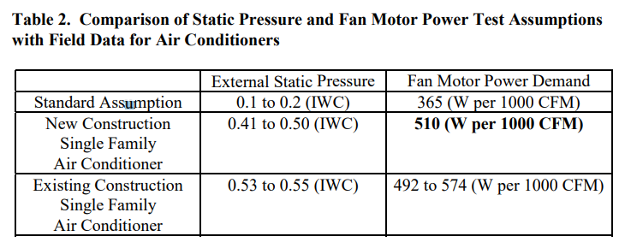
 |  |  |  |  |  |  |  |  |  | 0.56633158714 | 0.56633158714 | q | flow | m^3/s | in WC | psi | Pa
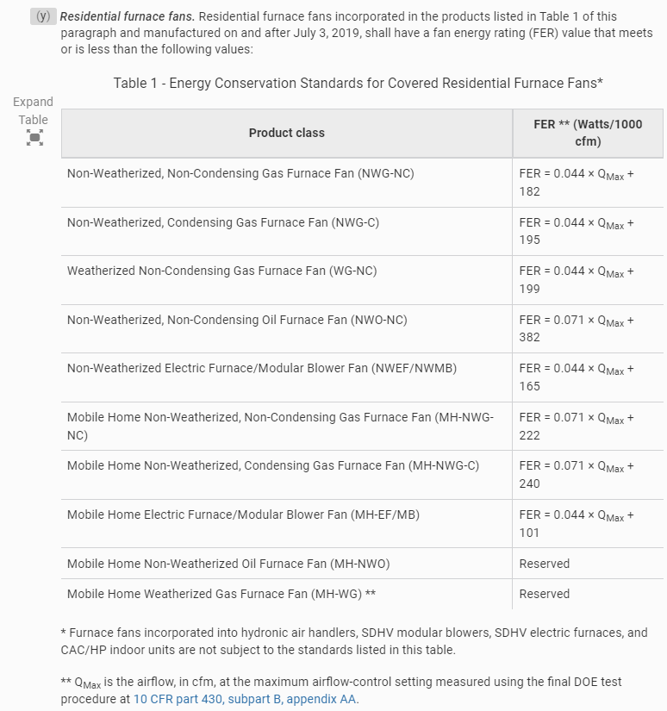
 |  |  |  |  |  |  |  |  |  | 279.6 | 600 | P | power | W | 0.5 | 0.018129079043 | 125
 |  |  |  |  |  |  |  |  |  | 1200 | 1200 |  | flow | cfm

 |  |  |  |  |  |  |  |  |  | W/CFM
 |  |  |  |  |  |  |  |  |  | 0.5 | PSC | Measured value based on Proctor paper https://www.aceee.org/files/proceedings/2000/data/papers/SS00_Panel1_Paper19.pdf
 |  |  |  |  |  |  |  |  |  | 0.23 | ECM | based on TechData for SEER 19-21

HVAC Efficiency
1975 and 1985 vintage homes are not likely to still use the orignial heating and cooling equipment. The EUL of HVAC equipment is 15 years so we estimate that the older vintage homes have equipment that is 15 years old, installed in 2007. We have referenced federal codes from 2007 to provide the HVAC efficiency levels used in the models.

Single Family | Value | Reference
Furnace AFUE | 0.78 | https://www.eia.gov/todayinenergy/detail.php?id=20011
Air Conditioning SEER | 13 | https://www.govinfo.gov/content/pkg/FR-2000-10-05/pdf/00-25336.pdf
Heat Pump HSPF | 7.7 | https://www.govinfo.gov/content/pkg/FR-2000-10-05/pdf/00-25336.pdf

Multifamily | Value | Reference
Furnace AFUE | 0.78 | https://www.eia.gov/todayinenergy/detail.php?id=20011
Air Conditioning SEER | 13 | https://www.govinfo.gov/content/pkg/FR-2000-10-05/pdf/00-25336.pdf
Heat Pump HSPF | 7.7 | https://www.govinfo.gov/content/pkg/FR-2000-10-05/pdf/00-25336.pdf

Mobile Home | Value | Reference
Furnace AFUE | 0.78 | https://www.eia.gov/todayinenergy/detail.php?id=20011
Air Conditioning SEER | 13 | https://www.govinfo.gov/content/pkg/FR-2000-10-05/pdf/00-25336.pdf
Heat Pump HSPF | 7.7 | https://www.govinfo.gov/content/pkg/FR-2000-10-05/pdf/00-25336.pdf

