Capacity Summary
When EnergyPlus auto-sized HVAC systems in the residential models they ended up right-sized and hence much smaller than systems we see in installed homes. When we normalized the energy savings based on the capacity of the modeled systems and then applied it to the average capacity of installed systems the savings per cap-ton is overstated.
To solve this problem for Residential building types we recommend hard-sizing the HVAC capacity. The following capacities have been agreed upon during the 3/19/2024 EnergyPlus stakeholder office hours call for residential systems. The assumptions behind these capacities are documented in this spreadsheet, stored on CEDARS. Note that the system capacity should be the same for the Existing, Standard and Measure cases.

 |  |  | Note: Avergage floor area 1240 ft2. 3.5 tons and 55 kBtuh furnace and 12*tons*0.95 heat pump heat cap
 |  | Assumes 3.0 tons for ≥100F CDD and 2.5 tons <100 CDD | Notes: Manufactured Home Cooling Equipment Sizing Guidlines For ENERGY STAR® qualified manufactured homes and homes built to the HUD standards
 |  | Heat pump heat cap = 12*tons*0.95 | https://www.energystar.gov/sites/default/files/asset/document/SizingGuidelines_0.pdf
Climate Zone | AC SFm tons cool capacity | AC MFm tons cool capacity | AC Dmo tons cool capacity
1 | 4.0 | 2.5 | 3.5
2 | 4.0 | 2.5 | 3.5
3 | 4.0 | 2.5 | 3.5
4 | 4.0 | 2.5 | 3.5
5 | 4.0 | 2.5 | 3.5
6 | 4.0 | 2.5 | 3.5
7 | 4.0 | 2.5 | 3.5
8 | 4.0 | 2.5 | 3.5
9 | 4.0 | 2.5 | 3.5
10 | 5.0 | 3.0 | 3.5
11 | 5.0 | 3.0 | 3.5
12 | 5.0 | 3.0 | 3.5
13 | 5.0 | 3.0 | 3.5
14 | 5.0 | 3.0 | 3.5
15 | 5.0 | 3.0 | 3.5
16 | 5.0 | 3.0 | 3.5

Single Family Characteristics
2022 Residential Prototype Models |  |  |  |  | yellow highlight indicates values that were updated from the 2005 DEER documentation |  |  |  |  |  |  |  |  |  |  |  |  | For comparison |  |  |  |  |  |  |  |  | Assumes 400 ft2 per ton AC. HP =tons*0.95, GF 80kBtuh (4 ton) 100 kBtuh (5 ton)
Single Family Home Prototype Characteristics |  |  |  |  |  |  |  |  |  |  |  |  |  |  |  |  |  |  |  | Cooling |  | Heating |  |  |  |  | Assumes 5 tons for ≥100F CDD and 4 tons <100 CDD
 |  |  |  |  |  |  |  |  |  |  |  |  |  |  |  |  |  | 2005DEER |  | 2022DEER | 2005DEER | 2022DEER | 2005DEER | Capacity Ratio 2005DEER to 2022DEER |  |  | Heat pump heat cap = 12*tons*0.95
Climate Zone | Vintage | Total Floor Area | Number of Stories | Occupants | Infiltration Air Changes Per Hour | Ceiling Overall R-Value | Wall Overall R-Value | Floor Overall R-Value | Gross Window-Wall Ratio (% floor) | Vertical Fene- stration U-Factor | Vertical Fene- stration SHGC | Cooling Capacity (sqft/ton) | Cooling SEER | Heating Capacity (sqft/kBtu) | Heating AFUE | Duct Leakage Ratio | Duct Insulation | Cooling Capacity (sqft/ton) | Heating Capacity (sqft/kBtu) | Cooling Capacity (tons) | Cooling Capacity (tons) | Heating Capacity (kBtu) | Heating Capacity (kBtu) | Cooling Capacity (ton) | Heating Capacity (kBtu) | AC SFm tons cool capacity | Gas Furnace SFm kBtuh heating capacity | Heat Pump SFm kBtuh heating capacity | Cool Design Day (F) | Heat Design Day (F) | City
1 | 1975 | 2158 | 1.48 | 3 (One-story) 4 (Two story) | 0.350 | 6.71 | 5.18 | 3.65 | 12.04 (One-story) 12.67 (Two-story) | 0.66 | 0.52 | 1692 | 13.0 | 84 | 0.78 | 0.2 | 4.9 | 742 | 39.6 | 1.3 | 2.9 | 25.8 | 54.5 | 2.3 | 2.1 | 4.0 | 80 | 46 | 68 | 31 | Arcata, CA
2 | 1975 | 2158 | 1.48 | 3 (One-story) 4 (Two story) | 0.350 | 6.71 | 5.18 | 3.65 | 12.04 (One-story) 12.67 (Two-story) | 0.59 | 0.46 | 732 | 13.0 | 57 | 0.78 | 0.14 | 4.9 | 428 | 22.9 | 2.9 | 5.0 | 38.1 | 94.3 | 1.7 | 2.5 | 4.0 | 80 | 46 | 89 | 30 | Mare Island, CA
3 | 1975 | 2158 | 1.48 | 3 (One-story) 4 (Two story) | 0.350 | 6.71 | 5.18 | 3.65 | 12.04 (One-story) 12.67 (Two-story) | 0.66 | 0.50 | 728 | 13.0 | 69 | 0.78 | 0.2 | 4.9 | 529 | 28.3 | 3.0 | 4.1 | 31.3 | 76.3 | 1.4 | 2.4 | 4.0 | 80 | 46 | 85 | 34 | Oakland, CA
4 | 1975 | 2158 | 1.48 | 3 (One-story) 4 (Two story) | 0.350 | 6.71 | 5.18 | 3.65 | 12.04 (One-story) 12.67 (Two-story) | 0.60 | 0.47 | 722 | 13.0 | 66 | 0.78 | 0.1 | 4.9 | 556 | 29.7 | 3.0 | 3.9 | 32.7 | 72.6 | 1.3 | 2.2 | 4.0 | 80 | 46 | 89 | 34 | San Jose, CA
5 | 1975 | 2158 | 1.48 | 3 (One-story) 4 (Two story) | 0.350 | 6.71 | 5.18 | 3.65 | 12.04 (One-story) 12.67 (Two-story) | 0.68 | 0.51 | 688 | 13.0 | 60 | 0.78 | 0.2 | 4.9 | 484 | 25.9 | 3.1 | 4.5 | 36.2 | 83.4 | 1.4 | 2.3 | 4.0 | 80 | 46 | 89 | 31 | Santa Maria, CA
6 | 1975 | 2252 | 1.55 | 3 (One-story) 4 (Two story) | 0.500 | 7.39 | 7.82 | 3.65 | 12.04 (One-story) 12.67 (Two-story) | 0.69 | 0.51 | 854 | 13.0 | 120 | 0.78 | 0.2 | 4.9 | 469 | 25.0 | 2.6 | 4.8 | 18.8 | 89.9 | 1.8 | 4.8 | 4.0 | 80 | 46 | 83 | 41 | LAX
7 | 1975 | 2252 | 1.55 | 3 (One-story) 4 (Two story) | 0.500 | 7.39 | 7.82 | 3.65 | 12.04 (One-story) 12.67 (Two-story) | 0.68 | 0.51 | 758 | 13.0 | 142 | 0.78 | 0.2 | 4.9 | 618 | 33.0 | 3.0 | 3.6 | 15.9 | 68.2 | 1.2 | 4.3 | 4.0 | 80 | 46 | 83 | 42 | San Diego, CA
8 | 1975 | 2252 | 1.55 | 3 (One-story) 4 (Two story) | 0.350 | 7.39 | 7.82 | 3.65 | 12.04 (One-story) 12.67 (Two-story) | 0.71 | 0.53 | 700 | 13.0 | 123 | 0.78 | 0.25 | 4.9 | 505 | 27.0 | 3.2 | 4.5 | 18.3 | 83.5 | 1.4 | 4.6 | 4.0 | 80 | 46 | 83 | 41 | Long Beach, CA
9 | 1975 | 1928 | 1.33 | 3 (One-story) 4 (Two story) | 0.600 | 7.39 | 7.82 | 3.65 | 12.04 (One-story) 12.67 (Two-story) | 0.71 | 0.53 | 446 | 13.0 | 62 | 0.78 | 0.2 | 4.9 | 469 | 25.1 | 4.3 | 4.1 | 31.3 | 76.9 | 0.9 | 2.5 | 4.0 | 80 | 46 | 95 | 41 | BGP, CA
10 | 1985 | 2069 | 1.42 | 3 (One-story) 4 (Two story) | 0.350 | 18.13 | 12.19 | 4.45 | 12.04 (One-story) 12.67 (Two-story) | 0.68 | 0.52 | 1067 | 13.0 | 115 | 0.78 | 0.15 | 4.9 | 477 | 25.5 | 1.9 | 4.3 | 18.0 | 81.2 | 2.2 | 4.5 | 5.0 | 100 | 57 | 100 | 29 | Riverside, CA
11 | 1985 | 1788 | 1.23 | 3 (One-story) 4 (Two story) | 0.400 | 19.73 | 11.73 | 4.45 | 12.04 (One-story) 12.67 (Two-story) | 0.61 | 0.49 | 854 | 13.0 | 77 | 0.78 | 0.15 | 4.9 | 463 | 24.7 | 2.1 | 3.9 | 23.2 | 72.3 | 1.8 | 3.1 | 5.0 | 100 | 57 | 105 | 29 | Red Bluff, CA
12 | 1985 | 1788 | 1.23 | 3 (One-story) 4 (Two story) | 0.350 | 19.73 | 11.73 | 4.45 | 12.04 (One-story) 12.67 (Two-story) | 0.61 | 0.47 | 872 | 13.0 | 87 | 0.78 | 0.15 | 4.9 | 496 | 26.5 | 2.1 | 3.6 | 20.5 | 67.5 | 1.8 | 3.3 | 5.0 | 100 | 57 | 100 | 28 | Stockton, CA
13 | 1985 | 1788 | 1.23 | 3 (One-story) 4 (Two story) | 0.400 | 19.73 | 11.73 | 4.45 | 12.04 (One-story) 12.67 (Two-story) | 0.74 | 0.56 | 788 | 13.0 | 89 | 0.78 | 0.3 | 4.9 | 483 | 25.8 | 2.3 | 3.7 | 20.1 | 69.2 | 1.6 | 3.4 | 5.0 | 100 | 57 | 102 | 28 | Fresno, CA
14 | 1985 | 1628 | 1.12 | 3 (One-story) 4 (Two story) | 0.350 | 18.13 | 14.66 | 4.45 | 12.04 (One-story) 12.67 (Two-story) | 0.69 | 0.54 | 818 | 13.0 | 146 | 0.78 | 0.15 | 4.9 | 448 | 23.9 | 2.0 | 3.6 | 11.1 | 68.0 | 1.8 | 6.1 | 5.0 | 100 | 57 | 106 | 26 | Barstow, CA
15 | 1985 | 1628 | 1.12 | 3 (One-story) 4 (Two story) | 0.350 | 18.13 | 14.66 | 4.45 | 12.04 (One-story) 12.67 (Two-story) | 0.65 | 0.49 | 639 | 13.0 | 106 | 0.78 | 0.28 | 4.9 | 409 | 22.8 | 2.5 | 4.0 | 15.4 | 71.3 | 1.6 | 4.6 | 5.0 | 100 | 57 | 112 | 35 | El Centro, CA
16 | 1985 | 1904 | 1.31 | 3 (One-story) 4 (Two story) | 0.350 | 24.13 | 15.38 | 4.45 | 12.04 (One-story) 12.67 (Two-story) | 0.64 | 0.50 | 951 | 13.0 | 92 | 0.78 | 0.15 | 4.9 | 728 | 38.9 | 2.0 | 2.6 | 20.8 | 49.0 | 1.3 | 2.4 | 5.0 | 100 | 57 | 102 | 11 | Bishop, CA
1 | 2019 | 2158 | 1.48 | 3 (One-story) 4 (Two story) | 0.32 (One story) 0.3 (Two story) | 33.82 | 20.83 | slab on grade | 12.04 (One-story) 12.67 (Two-story) | 0.3 | 0.51 | 6988 | 14 | 314 | 0.8 | 0.05 | 8 |  | Average: | 2.6 | 3.9 | 23.6 | 73.6
2 | 2019 | 2158 | 1.48 | 3 (One-story) 4 (Two story) | 0.32 (One story) 0.3 (Two story) | 33.82 | 20.83 | slab on grade | 12.04 (One-story) 12.67 (Two-story) | 0.3 | 0.23 | 5682 | 14 | 717 | 0.8 | 0.05 | 8
EnergyPlus prototypes in 2022DEER had lower heating and cooling capacities than 2005DEER even though we used a 1.8 oversize factor in EnergyPlus models. Data collected through residential QM programs suggests average installed cooling capacity between 3 and 3.5 tons in CA.
3 | 2019 | 2158 | 1.48 | 3 (One-story) 4 (Two story) | 0.32 (One story) 0.3 (Two story) | 26.70 | 20.83 | slab on grade | 12.04 (One-story) 12.67 (Two-story) | 0.3 | 0.5 | 2892 | 14 | 212 | 0.8 | 0.05 | 6
4 | 2019 | 2158 | 1.48 | 3 (One-story) 4 (Two story) | 0.32 (One story) 0.3 (Two story) | 33.82 | 20.83 | slab on grade | 12.04 (One-story) 12.67 (Two-story) | 0.3 | 0.23 | 3427 | 14 | 224 | 0.8 | 0.05 | 8
5 | 2019 | 2158 | 1.48 | 3 (One-story) 4 (Two story) | 0.32 (One story) 0.3 (Two story) | 26.70 | 20.83 | slab on grade | 12.04 (One-story) 12.67 (Two-story) | 0.3 | 0.51 | 2954 | 14 | 186 | 0.8 | 0.05 | 6
6 | 2019 | 2252 | 1.55 | 3 (One-story) 4 (Two story) | 0.32 (One story) 0.3 (Two story) | 26.70 | 15.38 | slab on grade | 12.04 (One-story) 12.67 (Two-story) | 0.3 | 0.23 | 2876 | 14 | 1155 | 0.8 | 0.05 | 6
7 | 2019 | 2252 | 1.55 | 3 (One-story) 4 (Two story) | 0.32 (One story) 0.3 (Two story) | 26.70 | 15.38 | slab on grade | 12.04 (One-story) 12.67 (Two-story) | 0.3 | 0.23 | 2178 | 14 | 509 | 0.8 | 0.05 | 6
8 | 2019 | 2252 | 1.55 | 3 (One-story) 4 (Two story) | 0.32 (One story) 0.3 (Two story) | 33.82 | 20.83 | slab on grade | 12.04 (One-story) 12.67 (Two-story) | 0.3 | 0.23 | 2228 | 14 | 1304 | 0.8 | 0.05 | 8
9 | 2019 | 1928 | 1.33 | 3 (One-story) 4 (Two story) | 0.32 (One story) 0.3 (Two story) | 33.82 | 20.83 | slab on grade | 12.04 (One-story) 12.67 (Two-story) | 0.3 | 0.23 | 1360 | 14 | 192 | 0.8 | 0.05 | 8
10 | 2019 | 2069 | 1.42 | 3 (One-story) 4 (Two story) | 0.32 (One story) 0.3 (Two story) | 33.82 | 20.83 | slab on grade | 12.04 (One-story) 12.67 (Two-story) | 0.3 | 0.23 | 2232 | 14 | 200 | 0.8 | 0.05 | 8
11 | 2019 | 1788 | 1.23 | 3 (One-story) 4 (Two story) | 0.32 (One story) 0.3 (Two story) | 33.82 | 20.83 | slab on grade | 12.04 (One-story) 12.67 (Two-story) | 0.3 | 0.23 | 1640 | 14 | 129 | 0.8 | 0.05 | 8
12 | 2019 | 1788 | 1.23 | 3 (One-story) 4 (Two story) | 0.32 (One story) 0.3 (Two story) | 33.82 | 20.83 | slab on grade | 12.04 (One-story) 12.67 (Two-story) | 0.3 | 0.23 | 1678 | 14 | 136 | 0.8 | 0.05 | 8
13 | 2019 | 1788 | 1.23 | 3 (One-story) 4 (Two story) | 0.32 (One story) 0.3 (Two story) | 33.82 | 20.83 | slab on grade | 12.04 (One-story) 12.67 (Two-story) | 0.3 | 0.23 | 1541 | 14 | 161 | 0.8 | 0.05 | 8
14 | 2019 | 1628 | 1.12 | 3 (One-story) 4 (Two story) | 0.32 (One story) 0.3 (Two story) | 33.82 | 20.83 | slab on grade | 12.04 (One-story) 12.67 (Two-story) | 0.3 | 0.23 | 1785 | 14 | 1947 | 0.8 | 0.05 | 8
15 | 2019 | 1628 | 1.12 | 3 (One-story) 4 (Two story) | 0.32 (One story) 0.3 (Two story) | 33.82 | 20.83 | slab on grade | 12.04 (One-story) 12.67 (Two-story) | 0.3 | 0.23 | 1116 | 14 | 194 | 0.8 | 0.05 | 8
16 | 2019 | 1904 | 1.31 | 3 (One-story) 4 (Two story) | 0.32 (One story) 0.3 (Two story) | 33.82 | 20.83 | Slab + R-7 slab perimeter | 12.04 (One-story) 12.67 (Two-story) | 0.3 | 0.5 | 1327 | 14 | 162 | 0.8 | 0.05 | 8

External Static Pressure
Residential External Static Pressure based on Proctor Field data |  |  |  |  | https://www.eceee.org/library/conference_proceedings/ACEEE_buildings/2000/Panel_1/p1_19/
Paper presented at ACEEE Summer Study 2000
Residential Buildings: Technologies, Design and Performance Analysis
Table 1 on Proceedings page 227
 | sample size | IWC | ESP in Pa including coil pressure drop
 | 40 | 0.41 | 110
 | 28 | 0.48 | 127.5
 | 9 | 0.55 | 145
 | 40 | 0.53 | 140
 | 37 | 0.5 | 132.5
 | 15 | 0.45 | 120
 | 32 | 0.52 | 137.5
 | 39 | 0.38 | 102.5
Total | 240 |  |  | weighted average
Average |  | 0.4775 | 127 | 125 | Pa
Table 1 external static pressures are for the duct system, registers, and typical filters. The pressure drop given does not include inside coil pressure drop of 0.2 to 0.3 IWC (50 to 75 pascals).

coil static pressure
0.03 | IWC

FanWPerCfm
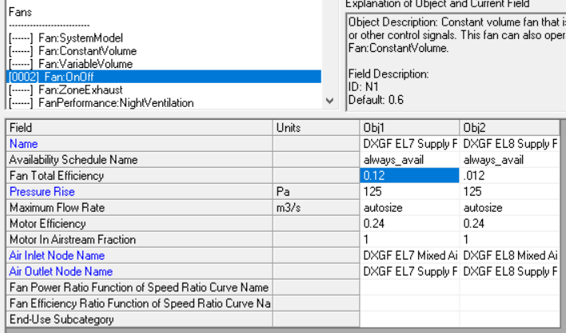
 | These Fan Power Values Apply to Residential HVAC ONLY! (Commercial HVAC fans are more efficient)

 |  | SEER
 | Param1 | Param2 | Lookup | FanW PerCfm | Revised FanW PerCfm |  | Notes |  |  |  |  |  |  |  |  |  |  | Sources:
 | SEER | 9.7 | SEER9.7 | 0.365 | 0.5 | <-- | The previous value (0.365) is consistent with the standard assumption in Proctor's paper
 | SEER | 10 | SEER10 | 0.365 | 0.5
 | SEER | 11.4 | SEER11.4 | 0.365 | 0.5 |  |  |  |  |  |  |  |  |  |  |  |  | https://www.engineeringtoolbox.com/fans-efficiency-power-consumption-d_197.html
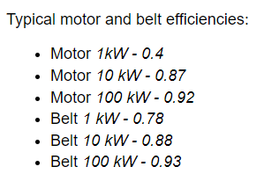
 | SEER | 11.5 | SEER11.5 | 0.365 | 0.5
 | SEER | 11.6 | SEER11.6 | 0.365 | 0.5
 | SEER | 13 | SEER13 | 0.348 | 0.5 |  | Pre Baseline
 | SEER | 14 | SEER14 | 0.294 | 0.5
 | SEER | 15 | SEER15 | 0.251 | 0.5 |  | 2023 Standard Baseline (15 SEER1) = 14.3 SEER2
 | SEER | 16 | SEER16 | 0.271 | 0.233 |  | 2-speed | Likely constant torque motors (CTM)
 | SEER | 17 | SEER17 | 0.271 | 0.233 |  | 2-speed
 | SEER | 18 | SEER18 | 0.271 | 0.233 |  | 2-speed
 | SEER | 19 | SEER19 | 0.233 | 0.233 |  | variable speed ECM
 | SEER | 20 | SEER20 | 0.233 | 0.233 |  | variable speed ECM |  |  | EnergyPlus input values
 | SEER | 21 | SEER21 | 0.233 | 0.233 |  | variable speed ECM |  | old E+ base | ECM | PSC
 |  |  |  |  |  |  |  |  | 0.9 | 0.5 | 0.24 | motor efficiency |  |  |  |  |  |  | Paper confirming measured poor efficiency of HVAC fans
 |  |  |  |  |  |  |  |  | 0.78 | 0.5 | 0.5 | impeller efficiency |  |  |  |  |  |  | https://www.rehva.eu/fileadmin/hvac-dictio/01-2012/02-2012/how-to-improve-energy-efficiency-of-fans.pdf
 |  |  |  |  |  |  |  |  | 0.70 | 0.25 | 0.12 | fan total efficiency

ECM motors were required in furnaces starting July 3, 2019. This does not apply to furnaces integrated with central AC systems and does not apply to heat pumps. |  |  |  |  |  |  |  |  |  |  |  | Fan Efficiency
 |  |  |  |  |  |  |  |  |  | ECM | PSC | eff = dp * q /P |  |  |  |  |  |  | Proctor's Paper:
 |  |  |  |  |  |  |  |  |  | 0.253 | 0.118 | eff |  |  |  |  |  |  | Table from Hidden Power Drains: Residential Heating and Cooling Fan Power Demand
https://www.ecfr.gov/current/title-10/chapter-II/subchapter-D/part-430/subpart-C/section-430.32 |  |  |  |  |  |  |  |  |  | 125 | 125 | dp | total pressure increase in the fan | Pa | Pressure conversion |  |  |  | https://www.aceee.org/files/proceedings/2000/data/papers/SS00_Panel1_Paper19.pdf
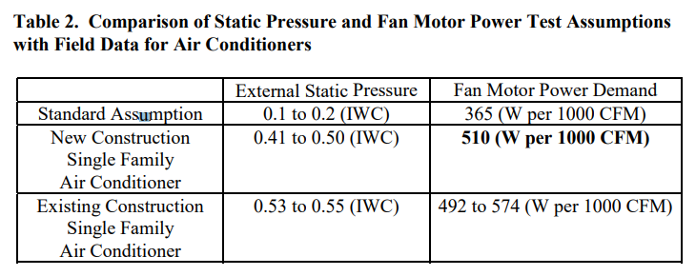
 |  |  |  |  |  |  |  |  |  | 0.56633158714 | 0.56633158714 | q | flow | m^3/s | in WC | psi | Pa
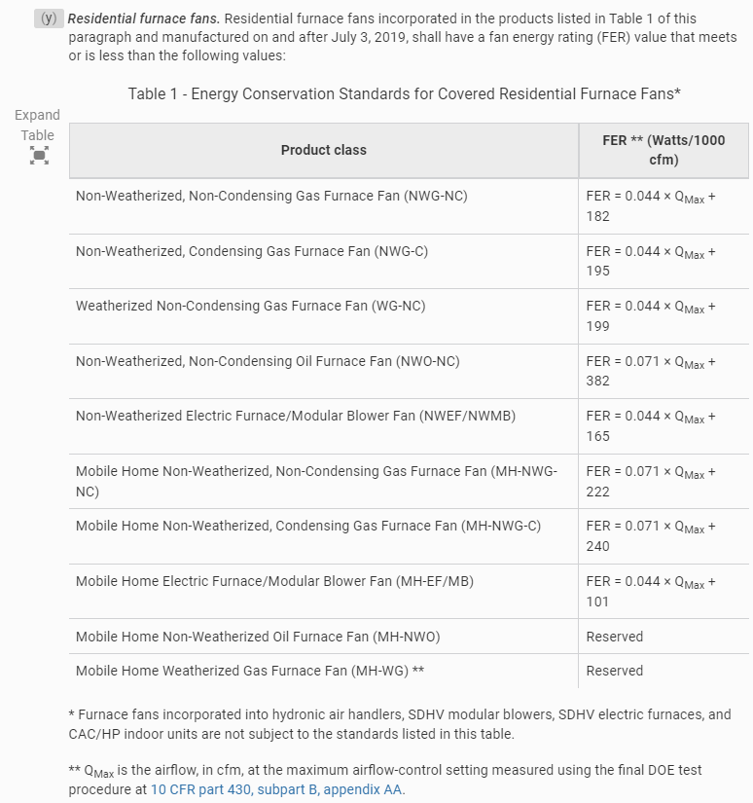
 |  |  |  |  |  |  |  |  |  | 279.6 | 600 | P | power | W | 0.5 | 0.018129079043 | 125
 |  |  |  |  |  |  |  |  |  | 1200 | 1200 |  | flow | cfm

 |  |  |  |  |  |  |  |  |  | W/CFM
 |  |  |  |  |  |  |  |  |  | 0.5 | PSC | Measured value based on Proctor paper https://www.aceee.org/files/proceedings/2000/data/papers/SS00_Panel1_Paper19.pdf
 |  |  |  |  |  |  |  |  |  | 0.23 | ECM | based on TechData for SEER 19-21

HVAC Efficiency
1975 and 1985 vintage homes are not likely to still use the orignial heating and cooling equipment. The EUL of HVAC equipment is 15 years so we estimate that the older vintage homes have equipment that is 15 years old, installed in 2007. We have referenced federal codes from 2007 to provide the HVAC efficiency levels used in the models.

Single Family | Value | Reference
Furnace AFUE | 0.78 | https://www.eia.gov/todayinenergy/detail.php?id=20011
Air Conditioning SEER | 13 | https://www.govinfo.gov/content/pkg/FR-2000-10-05/pdf/00-25336.pdf
Heat Pump HSPF | 7.7 | https://www.govinfo.gov/content/pkg/FR-2000-10-05/pdf/00-25336.pdf

Multifamily | Value | Reference
Furnace AFUE | 0.78 | https://www.eia.gov/todayinenergy/detail.php?id=20011
Air Conditioning SEER | 13 | https://www.govinfo.gov/content/pkg/FR-2000-10-05/pdf/00-25336.pdf
Heat Pump HSPF | 7.7 | https://www.govinfo.gov/content/pkg/FR-2000-10-05/pdf/00-25336.pdf

Mobile Home | Value | Reference
Furnace AFUE | 0.78 | https://www.eia.gov/todayinenergy/detail.php?id=20011
Air Conditioning SEER | 13 | https://www.govinfo.gov/content/pkg/FR-2000-10-05/pdf/00-25336.pdf
Heat Pump HSPF | 7.7 | https://www.govinfo.gov/content/pkg/FR-2000-10-05/pdf/00-25336.pdf

